Market Value
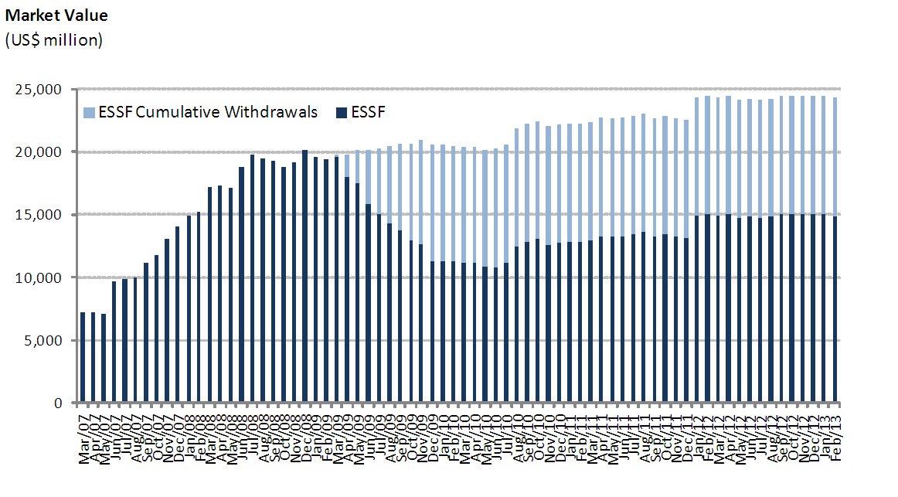
ESSF Market Value

By Asset Class | 2007 | 2008 | 2009 | 2010 | 2011 | 2012 | 2013
(US$ million) |  |  |  |  |  |  | January | February
Money Market | 4,216.29 | 5,957.12 | 3,373.66 | 3,773.50 | 3,939.33 | 4,488.14 | 4,466.32 | 4,308.47
Sovereign Bonds | 9,323.73 | 13,583.62 | 7,508.85 | 8,501.34 | 8,755.83 | 9,987.37 | 10,047.37 | 10,025.75
Inflation Indexed Sov. Bonds | 492.59 | 669.93 | 402.27 | 445.26 | 461.48 | 522.01 | 518.67 | 524.71
Market Value | 14,032.61 | 20,210.68 | 11,284.78 | 12,720.10 | 13,156.64 | 14,997.52 | 15,032.36 | 14,858.94

By Risk Exposure | 2007 | 2008 | 2009 | 2010 | 2011 | 2012 | 2013
(US$ million) |  |  |  |  |  |  | January | February
Sovereigns | 9,283.19 | 16,617.20 | 8,913.96 | 10,112.22 | 10,949.50 | 12,746.00 | 12,770.52 | 12,657.27
Banks | 4,216.29 | 3,593.47 | 2,370.82 | 2,607.88 | 2,207.14 | 2,251.52 | 2,261.84 | 2,201.66
Supranational | 0.00 | 0.00 | 0.00 | 0.00 | 0.00 | 0.00 | 0.00 | 0.00
Agencies | 533.12 | 0.00 | 0.00 | 0.00 | 0.00 | 0.00 | 0.00 | 0.00
Market Value | 14,032.61 | 20,210.68 | 11,284.78 | 12,720.10 | 13,156.64 | 14,997.52 | 15,032.36 | 14,858.94

Changes in Market Value | 2007 | 2008 | 2009 | 2010 | 2011 | 2012 | 2013 |  | Desde el Inicio(1)
(US$ million) |  |  |  |  |  |  | January | February
Starting Market Value | 0.00 | 14,032.61 | 20,210.68 | 11,284.78 | 12,720.10 | 13,156.64 | 14,997.52 | 15,032.36 | -
Contributions | 13,100.00 | 5,000.00 | 0.00 | 1,362.33 | 0.00 | 1,700.00 | 0.00 | 0.00 | 21,162.33
Withdrawals | 0.00 | 0.00 | -9,277.71 | -150.00 | 0.00 | 0.00 | 0.00 | 0.00 | -9,427.71
Accrued Interest | 326.15 | 623.95 | 404.27 | 227.63 | 236.99 | 201.89 | 16.21 | 12.25 | 2,049.35
Capital Gains (Losses) | 606.81 | 556.08 | -50.83 | -3.51 | 200.71 | -59.71 | 18.63 | -185.36 | 1,082.81
Admin., Custody and Other Costs(2) | -0.35 | -1.96 | -1.62 | -1.13 | -1.16 | -1.30 | 0.00 | -0.31 | -7.84
Final Market Value | 14,032.61 | 20,210.68 | 11,284.78 | 12,720.10 | 13,156.64 | 14,997.52 | 15,032.36 | 14,858.94 | 14,858.94
(1) The ESSF was established by the merger of the fiscal assets saved under Decree Law N° 3.653 (1981) with those of the Copper Income Compensation Fund. The first payment into the new fund was made on March 6, 2007.
(2) It includes costs associated with consultants and others.

