Market Value
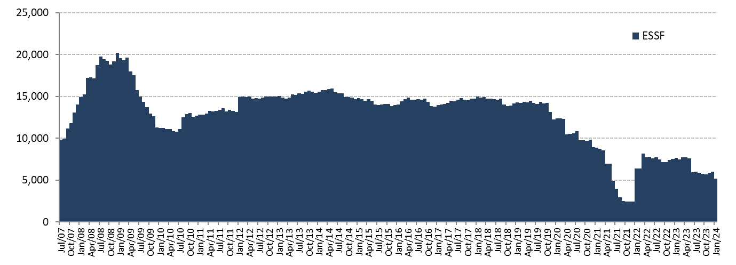
ESSF Market Value

Changes in Market Value | 2007 | 2008 | 2009 | 2010 | 2011 | 2012 | 2013 | 2014 | 2015 | 2016 | 2017 | 2018 | 2019 | 2020 | 2021 | 2023 |  |  |  |  |  | 2024 | Since Inception(1)
(US$ million) |  |  |  |  |  |  |  |  |  |  |  |  |  |  |  | Q1 | Q2 | Q3 | October | November | December | January
Starting Market Value | 0.00 | 14,032.61 | 20,210.68 | 11,284.78 | 12,720.10 | 13,156.64 | 14,997.52 | 15,419.13 | 14,688.82 | 13,966.28 | 13,772.06 | 14,738.82 | 14,133.85 | 12,233.41 | 8,955.24 | 7,514.18 | 7,700.69 | 5,932.60 | 5,740.11 | 5,688.38 | 5,864.48 | 6,030.11 | 0.00
Contributions | 13,100.00 | 5,000.00 | 0.00 | 1,362.33 | 0.00 | 1,700.00 | 603.39 | 0.00 | 0.00 | 0.00 | 0.00 | 0.00 | 0.00 | 0.00 | 0.00 | 0.00 | 0.00 | 0.00 | 0.00 | 0.00 | 0.00 | 0.00 | 27,763.41
Withdrawals | 0.00 | 0.00 | -9,277.71 | -150.00 | 0.00 | 0.00 | 0.00 | -498.93 | -463.88 | -462.29 | 0.00 | -541.58 | -2,563.89 | -4,090.00 | -6,196.78 | 0.00 | -1,640.53 | 0.00 | 0.00 | 0.00 | 0.00 | -800.00 | -26,685.64
Accrued Interest | 326.15 | 623.95 | 404.27 | 227.63 | 236.99 | 201.89 | 184.10 | 188.28 | 167.08 | 161.56 | 153.01 | 166.92 | 171.28 | 95.44 | 34.99 | 25.32 | 30.29 | 28.10 | 10.23 | 13.13 | 14.61 | 13.59 | 3,531.67
Capital Gains (Losses) | 606.81 | 556.08 | -50.83 | -3.51 | 200.71 | -59.71 | -363.71 | -416.97 | -422.87 | 109.12 | 816.56 | -227.51 | 495.33 | 719.26 | -334.07 | 161.68 | -157.60 | -220.36 | -61.91 | 163.12 | 151.27 | -56.80 | 612.10
Admin., Custody and Other Costs(2) | -0.35 | -1.96 | -1.62 | -1.13 | -1.16 | -1.30 | -2.17 | -2.69 | -2.87 | -2.61 | -2.80 | -2.82 | -3.17 | -2.86 | -2.18 | -0.48 | -0.24 | -0.23 | -0.05 | -0.15 | -0.25 | -0.05 | -34.68
Final Market Value | 14,032.61 | 20,210.68 | 11,284.78 | 12,720.10 | 13,156.64 | 14,997.52 | 15,419.13 | 14,688.82 | 13,966.28 | 13,772.06 | 14,738.82 | 14,133.85 | 12,233.41 | 8,955.24 | 2,457.20 | 7,700.69 | 5,932.60 | 5,740.11 | 5,688.38 | 5,864.48 | 6,030.11 | 5,186.86 | 5,186.86
(1) The ESSF was established by the merger of the fiscal assets saved under Decree Law N° 3.653 (1981) with those of the Copper Income Compensation Fund. The first payment into the new fund was made on March 6, 2007.
(2) It includes costs associated with consultants and others.

By Asset Class | 2007 | 2008 | 2009 | 2010 | 2011 | 2012 | 2013(1) | 2014 | 2015 | 2016 | 2017 | 2018 | 2019 | 2020 | 2021 | 2023 |  |  |  |  |  | 2024
(US$ million) |  |  |  |  |  |  |  |  |  |  |  |  |  |  |  | Q1 | Q2 | Q3 | October | November | December | January
Money Market(1) | 4,216.29 | 5,957.12 | 3,373.66 | 3,773.50 | 3,939.33 | 4,488.14 | 5,107.57 | 4,934.76 | 4,766.70 | 4,622.49 | 4,976.47 | 4,777.23 | 4,148.52 | 3,122.23 | 907.94 | 2,826.33 | 2,189.91 | 2,064.51 | 2,049.05 | 598.27 | 604.96 | 523.61
Sovereign Bonds | 9,323.73 | 13,583.62 | 7,508.85 | 8,501.34 | 8,755.83 | 9,987.37 | 8,524.08 | 8,099.28 | 7,720.56 | 7,531.68 | 8,045.82 | 7,938.70 | 6,716.23 | 5,058.33 | 1,456.83 | 4,587.17 | 3,516.91 | 3,464.48 | 3,428.02 | 4,167.93 | 4,280.58 | 3,677.90
Inflation-Linked Sovereign Bonds | 492.59 | 669.93 | 402.27 | 445.26 | 461.48 | 522.01 | 541.64 | 512.29 | 489.36 | 478.50 | 514.58 | 488.36 | 429.81 | 312.17 | 91.94 | 287.19 | 225.78 | 211.13 | 211.31 | 226.06 | 233.63 | 205.22
US Agency MBS(2) | 0.00 | 0.00 | 0.00 | 0.00 | 0.00 | 0.00 | 0.00 | 0.00 | 0.00 | 0.00 | 0.00 | 0.00 | 0.00 | 0.00 | 0.00 | 0.00 | 0.00 | 0.00 | 0.00 | 872.23 | 910.94 | 780.14
Equities(3) | 0.00 | 0.00 | 0.00 | 0.00 | 0.00 | 0.00 | 1,245.83 | 1,142.49 | 989.65 | 1,139.39 | 1,201.95 | 929.55 | 938.84 | 462.51 | 0.48 | 0.00 | 0.00 | 0.00 | 0.00 | 0.00 | 0.00 | 0.00
Market Value | 14,032.61 | 20,210.68 | 11,284.78 | 12,720.10 | 13,156.64 | 14,997.52 | 15,419.13 | 14,688.82 | 13,966.28 | 13,772.06 | 14,738.82 | 14,133.85 | 12,233.41 | 8,955.24 | 2,457.20 | 7,700.69 | 5,932.60 | 5,740.11 | 5,688.38 | 5,864.48 | 6,030.11 | 5,186.86
(1) It includes sovereign bills and money market.
(2) Investments in US Agency MBS started on November 2, 2023.
(3) The management of the equity portfolio by UBS ended on September 27, 2021.

By Risk Exposure | 2007 | 2008 | 2009 | 2010 | 2011 | 2012 | 2013(1) | 2014 | 2015 | 2016 | 2017 | 2018 | 2019 | 2020 | 2021 | 2023 |  |  |  |  |  | 2024
(US$ million) |  |  |  |  |  |  |  |  |  |  |  |  |  |  |  | Q1 | Q2 | Q3 | October | November(1) | December | January
Sovereigns | 9,283.19 | 16,617.20 | 8,913.96 | 10,112.22 | 10,949.50 | 12,746.00 | 11,450.71 | 9,773.08 | 9,780.39 | 9,492.27 | 10,125.91 | 10,025.86 | 8,532.19 | 7,011.37 | 2,425.06 | 7,475.59 | 5,923.63 | 5,815.88 | 5,687.42 | 4,980.90 | 5,120.67 | 4,414.34
Banks(1) | 4,216.29 | 3,593.47 | 2,370.82 | 2,607.88 | 2,207.14 | 2,251.52 | 2,722.58 | 3,773.24 | 3,196.23 | 3,140.40 | 3,410.96 | 3,178.43 | 2,762.37 | 1,481.36 | 31.65 | 225.10 | 8.97 | -75.76 | 0.96 | 11.76 | 6.33 | -4.26
US Agency MBS(2) | 0.00 | 0.00 | 0.00 | 0.00 | 0.00 | 0.00 | 0.00 | 0.00 | 0.00 | 0.00 | 0.00 | 0.00 | 0.00 | 0.00 | 0.00 | 0.00 | 0.00 | 0.00 | 0.00 | 871.83 | 903.12 | 776.78
Equities(3) | 0.00 | 0.00 | 0.00 | 0.00 | 0.00 | 0.00 | 1,245.83 | 1,142.49 | 989.65 | 1,139.39 | 1,201.95 | 929.55 | 938.84 | 462.51 | 0.48 | 0.00 | 0.00 | 0.00 | 0.00 | 0.00 | 0.00 | 0.00
Market Value | 14,032.61 | 20,210.68 | 11,284.78 | 12,720.10 | 13,156.64 | 14,997.52 | 15,419.13 | 14,688.82 | 13,966.28 | 13,772.06 | 14,738.82 | 14,133.85 | 12,233.41 | 8,955.24 | 2,457.20 | 7,700.69 | 5,932.60 | 5,740.11 | 5,688.38 | 5,864.48 | 6,030.11 | 5,186.86
(1) It includes cash, cash equivalents and unsettled transactions.
(2) Investments in US Agency MBS started on November 2, 2023.
(3) The management of the equity portfolio by UBS ended on September 27, 2021.

Changes in Market Value Since Inception |  |  |  |  |  |  |  |  | marginal
(US$ million)
 |  |  |  |  |  |  |  |  | 0.00
 |  |  |  |  |  |  |  |  | 9,427.71
 |  |  |  |  |  |  |  |  | 1,858.13
 |  |  |  |  |  |  |  |  | 1,388.21
 |  |  |  |  |  |  |  |  | 6.45

Market Value
(US$ million)

